Q-1
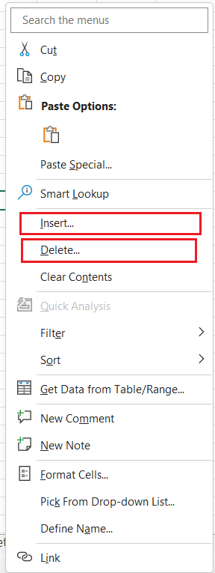
Q-1 To use the ribbon commands, what menu and grouping of commands will you find the Insert and Delete command?

→ Ribbon contains the basic Clipboard commands, formatting commands, style commands, commands to insert and delete rows or columns, plus an assortment of worksheet editing commands
◊ The Insert, the Delete and the Format buttons are part of the Cells group. This group of the Home Tab ribbon holds the sixth position.

◊ To add or remove a cell, you can go to the home menu, look in the Cells grouping of commands and click on Insert to add or delete to remove.
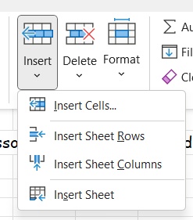
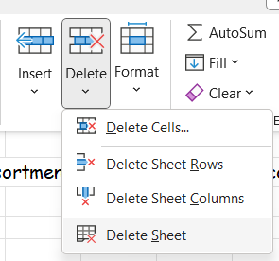

◊ You can also use the right-click method. Right-click where you want to add or remove a cell, and the drop-down menu includes the Insert and Delete commands.

Q-2
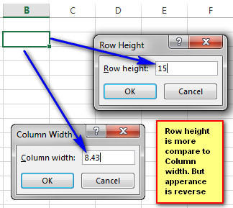
Q-2 If you set a row height or column width to 0 (zero), what happens to the row and column?

◊ If we set a row height or column width to 0 (zero), It sets to the default width or height. (default width is 8.43 and default height is 15.)

Q-5
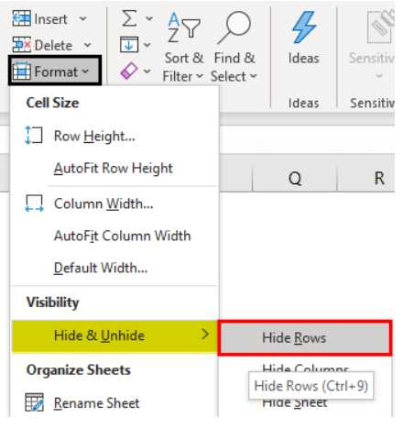
Q-5 How to hide rows containing blank cells?

◊ Select the range that contains empty cells that want to hide.
→ Now, go to the “Home” tab and click on the “Format” option.

→ Now, we can see many different “Format” options. For example, under “Visibility,” choose “Hide & Unhide,” and then select “Hide Rows.”

Q-6
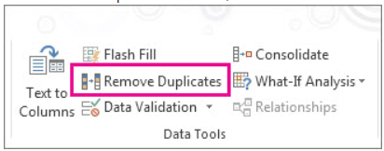
Q-6 What are the steps to hide the duplicate values using conditional formatting in excel?

There is two ways to remove duplicate
◊ First method

◊ We can also use Formula to remove duplicate [=UNIQUE(A1:A15)]

◊ Second method
◊ To filter for unique values, click Data > Sort & Filter > Advanced.

◊ To remove duplicate values, click Data > Data Tools > Remove Duplicates.

